Product data
Picture | ART. (Article No) | EAN13 Bar code number | Product name | Short Product Description | Unit (Package) | Size (If more than one size available) | Color | Units per colli | Units available 06/12 2022 | Sales price Whole sale (EUR) | Total Whole sales value(EUR) | RRP (EUR) as on NAV Scandinavia webshop | Total Retail Value (EUR) | Market Introduction Year | Dimensions (L x W x H) | Material (Incl. treatment) | Care instruction | Designed by | Product Net weight (gram) | Product Gross weight (kg) | Colli Net weight (gram) | Country of Origin | HS Code

 |  |  |  |  |  |  |  |  |  |  |  | www.navscandinavia.com
ATTRACT Butterfly Magnet |  |  |  |  |  |  |  |  |  |  |  |  |  |  | Ø 64 / H 57 mm
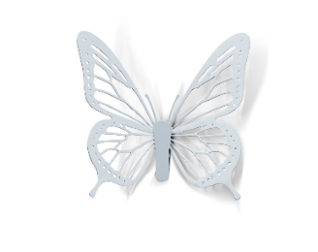 | 000501003701 | 5713798001382 | ATTRACT Butterfly Magnet_1 pc._Silver | Butterfly Magnet - For refrigerator and magnetic boards | 1 pc. |  | Silver | 3 | 0 | 7.96 | - | 19.90 | - | 2019 | L 65 x W 70 x H 20 mm | Butterfly: Stainless steel 304, 0,5 mm, chrome plated Magnet: Neodymium Magnet Strength: 350 g | Clean the surface carefully by wiping it with a dry microfiber cloth. Always handle with care. | NAV Scandinavia design team | 5 | 0.054 |  | China | 8505190090
ELEVATE Hanging Mobile Butterfly
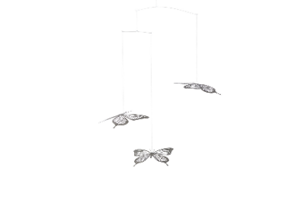 | 000303000401 | 5713798001405 | ELEVATE Mobile Butterfly_3 pcs. set_Black | Butterfly Mobile - Hanging Mobile made of stainless steel. | 3 pcs. set |  | Black | 3 | 27 | 21.96 | 592.92 | 54.90 | 1,482.30 | 2019 | Mobile: Ø 350 x H 400 mm Butterfly: L 95 x W 105 mm | Butterfly: 0,3 mm Stainless steel 304, black painted Bar: 0,6 - 1 mm Stainless steel 304 Line: 0,2 mm braided wire twine - Includes adjustable 200 cm suspension line with a carabine ring for hanging | Pendants: Clean the surface carefully by wiping it with a microfiber cloth. Use a damp cloth for black coloured products. Use a dry cloth for glossy or metallic coloured products. Always handle with care. Cross Bars: Clean the surface carefully by wiping it with a dry cloth. Never use chemicals to clean this product. | NAV Scandinavia design team | 25 | 0.848 |  | China | 8306299000
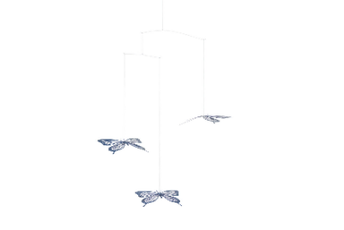 | 000303000701 | 5713798001412 | ELEVATE Mobile Butterfly_3 pcs. set_Blue mirror | Butterfly Mobile - Hanging Mobile made of stainless steel. | 3 pcs. set |  | Blue mirror | 3 | 7 | 21.96 | 153.72 | 54.90 | 384.30 | 2019 | Mobile: Ø 350 x H 400 mm Butterfly: L 95 x W 105 mm | Butterfly: 0,3 mm Stainless steel 304, blue PVD coated Bar: 0,6 - 1 mm Stainless steel 304 Line: 0,2 mm braided wire twine - Includes adjustable 200 cm suspension line with a carabine ring for hanging | Pendants: Clean the surface carefully by wiping it with a microfiber cloth. Use a damp cloth for black coloured products. Use a dry cloth for glossy or metallic coloured products. Always handle with care. Cross Bars: Clean the surface carefully by wiping it with a dry cloth. Never use chemicals to clean this product. | NAV Scandinavia design team | 25 | 0.848 |  | China | 8306299000
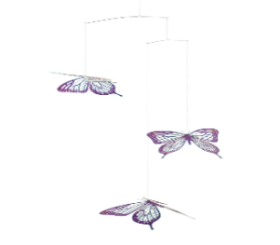 | 000303001501 | 5713798002419 | ELEVATE Mobile Butterfly_3 pcs. set_Rainbow | Butterfly Mobile - Hanging Mobile made of stainless steel. | 3 pcs. set |  | Rainbow | 3 | 0 | 25.96 | - | 64.90 | - | 2020 | Mobile: Ø 350 x H 400 mm Butterfly: L 95 x W 105 mm | Butterfly: 0,3 mm Stainless steel 304, rainbow PVD coated Bar: 0,6 - 1 mm Stainless steel 304 Line: 0,2 mm braided wire twine - Includes adjustable 200 cm suspension line with a carabine ring for hanging | Pendants: Clean the surface carefully by wiping it with a microfiber cloth. Use a damp cloth for black coloured products. Use a dry cloth for glossy or metallic coloured products. Always handle with care. Cross Bars: Clean the surface carefully by wiping it with a dry cloth. Never use chemicals to clean this product. | NAV Scandinavia design team | 25 | 0.848 |  | China | 8306299000
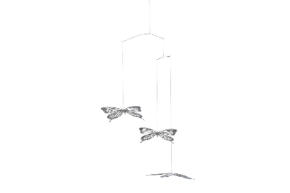 | 000303003701 | 5713798001429 | ELEVATE Mobile Butterfly_3 pcs. set_Silver mirror | Butterfly Mobile - Hanging Mobile made of stainless steel. | 3 pcs. set |  | Silver mirror | 3 | 23 | 25.96 | 597.08 | 54.90 | 1,262.70 | 2019 | Mobile: Ø 350 x H 400 mm Butterfly: L 95 x W 105 mm | Butterfly: 0,3 mm Stainless steel 304, polished Bar: 0,6 - 1 mm Stainless steel 304 Line: 0,2 mm braided wire twine - Includes adjustable 200 cm suspension line with a carabine ring for hanging | Pendants: Clean the surface carefully by wiping it with a microfiber cloth. Use a damp cloth for black coloured products. Use a dry cloth for glossy or metallic coloured products. Always handle with care. Cross Bars: Clean the surface carefully by wiping it with a dry cloth. Never use chemicals to clean this product. | NAV Scandinavia design team | 25 | 0.848 |  | China | 8306299000
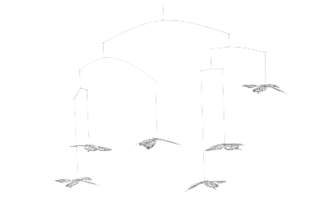 | 000306003701 | 5713798001436 | ELEVATE Mobile Butterfly_6 pcs. set_Silver mirror | Butterfly Mobile - Hanging Mobile made of stainless steel. | 6 pcs. set |  | Silver mirror | 3 | 12 | 33.96 | 407.52 | 84.90 | 1,018.80 | 2019 | Mobile: Ø 800 x H 440 mm Butterfly: L 95 x W 105 mm | Butterfly: 0,3 mm Stainless steel 304, polished Bar: 0,6 - 1 mm Stainless steel 304 Line: 0,2 mm braided wire twine - Includes adjustable 200 cm suspension line with a carabine ring for hanging | Pendants: Clean the surface carefully by wiping it with a microfiber cloth. Use a damp cloth for black coloured products. Use a dry cloth for glossy or metallic coloured products. Always handle with care. Cross Bars: Clean the surface carefully by wiping it with a dry cloth. Never use chemicals to clean this product. | NAV Scandinavia design team | 50 | 1.603 |  | China | 8306299000
ELEVATE Hanging Mobile Dragonfly
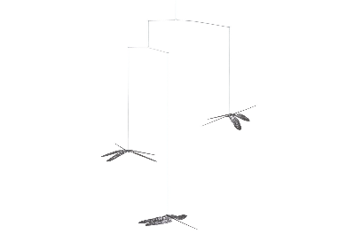 | 000403000401 | 5713798001443 | ELEVATE Mobile Dragonfly_3 pcs. set_Black | Dragonfly Mobile - Hanging Mobile made of stainless steel. | 3 pcs. set |  | Black | 3 | 12 | 21.96 | 263.52 | 54.90 | 658.80 | 2019 | Mobile: Ø 430 x H 410 mm Dragonfly: L 120 x W 125 mm | Dragonfly: 0,3 mm Stainless steel 304, black painted Bar: 0,6 - 1 mm Stainless steel 304 Line: 0,2 mm braided wire twine - Includes adjustable 200 cm suspension line with a carabine ring for hanging | Pendants: Clean the surface carefully by wiping it with a microfiber cloth. Use a damp cloth for black coloured products. Use a dry cloth for glossy or metallic coloured products. Always handle with care. Cross Bars: Clean the surface carefully by wiping it with a dry cloth. Never use chemicals to clean this product. | NAV Scandinavia design team | 25 | 0.838 |  | China | 8306299000
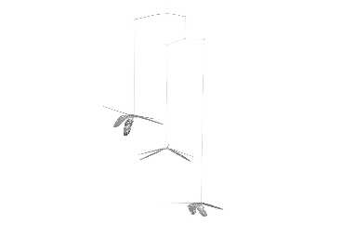 | 000403003701 | 5713798001467 | ELEVATE Mobile Dragonfly_3 pcs. set_Silver mirror | Dragonfly Mobile - Hanging Mobile made of stainless steel. | 3 pcs. set |  | Silver mirror | 3 | 10 | 21.96 | 219.60 | 54.90 | 549.00 | 2019 | Mobile: Ø 430 x H 410 mm Dragonfly: L 120 x W 125 mm | Dragonfly: 0,3 mm Stainless steel 304, polished PVD coated Bar: 0,6 - 1 mm Stainless steel 304 Line: 0,2 mm braided wire twine - Includes adjustable 200 cm suspension line with a carabine ring for hanging | Pendants: Clean the surface carefully by wiping it with a microfiber cloth. Use a damp cloth for black coloured products. Use a dry cloth for glossy or metallic coloured products. Always handle with care. Cross Bars: Clean the surface carefully by wiping it with a dry cloth. Never use chemicals to clean this product. | NAV Scandinavia design team | 25 | 0.838 |  | China | 8306299000
 | 000406003701 | 5713798001474 | ELEVATE Mobile Dragonfly_6 pcs. set_Silver mirror | Dragonfly Mobile - Hanging Mobile made of stainless steel. | 6 pcs. set |  | Silver mirror | 3 | 3 | 33.96 | 101.88 | 84.90 | 254.70 | 2019 | Mobile: Ø 900 x H 450 mm Dragonfly: L 120 x W 125 mm | Dragonfly: 0,3 mm Stainless steel 304, polished PVD coated Bar: 0,6 - 1 mm Stainless steel 304 Line: 0,2 mm braided wire twine - Includes adjustable 200 cm suspension line with a carabine ring for hanging | Pendants: Clean the surface carefully by wiping it with a microfiber cloth. Use a damp cloth for black coloured products. Use a dry cloth for glossy or metallic coloured products. Always handle with care. Cross Bars: Clean the surface carefully by wiping it with a dry cloth. Never use chemicals to clean this product. | NAV Scandinavia design team | 50 | 1.676 |  | China | 8306299000
FLAMING RINGS Tea Light Holder
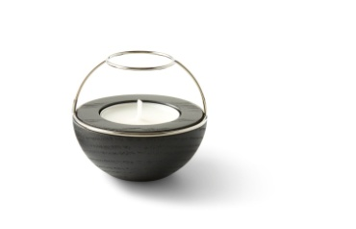 | 002001003120 | 5713798000071 | FLAMING RINGS Tea Light Holder_1 pc._Silver/Black oak | Tea Light Holder - Wooden Base and metal top, which gives magnificent reflections of the flickering flame. | 1 pc. | - | Top: Silver / Base: Black oak | 3 | 49 | 15.96 | 782.04 | 34.90 | 1,710.10 | 2017 | Ø 64 x H 57 mm | Top: Stainless steel, silver plated + lacquered Base: Red oak wood, painted | Base: Wipe the surface with a damp microfiber cloth. Wireframe: Wipe gently with a dry microfiber cloth. Never use chemicals to clean this product. | Torben Kragh Jørgensen | 36 | 0.101 |  | China | 4420109090
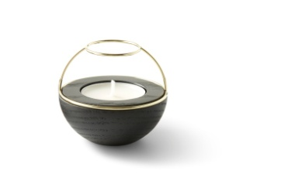 | 002001003020 | 5713798000088 | FLAMING RINGS Tea Light Holder_1 pc._Brass/Black oak | Tea Light Holder - Wooden Base and metal top, which gives magnificent reflections of the flickering flame. | 1 pc. | - | Top: Brass / Base: Black oak | 3 | 78 | 15.96 | 1,244.88 | 34.90 | 2,722.20 | 2017 | Ø 64 x H 57 mm | Top: Stainless steel, brass plated + lacquered Base: Red oak wood, painted | Base: Wipe the surface with a damp microfiber cloth. Wireframe: Wipe gently with a dry microfiber cloth. Never use chemicals to clean this product. | Torben Kragh Jørgensen | 36 | 0.101 |  | China | 4420109090
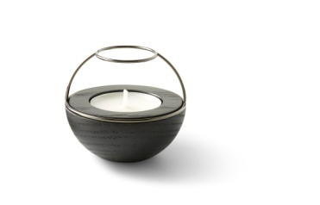 | 002001000420 | 5713798000095 | FLAMING RINGS Tea Light Holder_1 pc._Black/Black oak | Tea Light Holder - Wooden Base and metal top, which gives magnificent reflections of the flickering flame. | 1 pc. | - | Top: Black / Base: Black oak | 3 | 45 | 15.96 | 718.20 | 34.90 | 1,570.50 | 2017 | Ø 64 x H 57 mm | Top: Stainless steel, black plated + lacquered Base: Red oak wood, painted | Base: Wipe the surface with a damp microfiber cloth. Wireframe: Wipe gently with a dry microfiber cloth. Never use chemicals to clean this product. | Torben Kragh Jørgensen | 36 | 0.101 |  | China | 4420109090
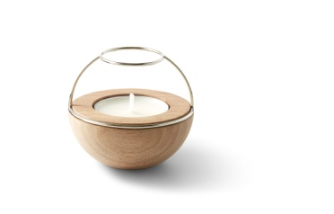 | 002001003121 | 5713798000101 | FLAMING RINGS Tea Light Holder_1 pc._Silver/Walnut | Tea Light Holder - Wooden Base and metal top, which gives magnificent reflections of the flickering flame. | 1 pc. | - | Top: Silver / Base: Walnut | 3 | 58 | 15.96 | 925.68 | 34.90 | 2,024.20 | 2017 | Ø 64 x H 57 mm | Top: Stainless steel, silver plated + lacquered Base: Walnut wood, lacquered | Base: Wipe the surface with a damp microfiber cloth. Wireframe: Wipe gently with a dry microfiber cloth. Never use chemicals to clean this product. | Torben Kragh Jørgensen | 36 | 0.101 |  | China | 4420109090
 | 002001003021 | 5713798000118 | FLAMING RINGS Tea Light Holder_1 pc._Brass/Walnut | Tea Light Holder - Wooden Base and metal top, which gives magnificent reflections of the flickering flame. | 1 pc. | - | Top: Brass / Base:Walnut | 3 | 53 | 15.96 | 845.88 | 34.90 | 1,849.70 | 2017 | Ø 64 x H 57 mm | Top: Stainless steel, brass plated + lacquered Base: Walnut wood, lacquered | Base: Wipe the surface with a damp microfiber cloth. Wireframe: Wipe gently with a dry microfiber cloth. Never use chemicals to clean this product. | Torben Kragh Jørgensen | 36 | 0.101 |  | China | 4420109090
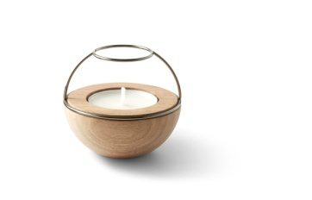 | 002001000421 | 5713798000125 | FLAMING RINGS Tea Light Holder_1 pc._Black/Walnut | Tea Light Holder - Wooden Base and metal top, which gives magnificent reflections of the flickering flame. | 1 pc. | - | Top: Black / Base: Walnut | 3 | 66 | 15.96 | 1,053.36 | 34.90 | 2,303.40 | 2017 | Ø 64 x H 57 mm | Top: Stainless steel, black plated + lacquered Base: Walnut wood, lacquered | Base: Wipe the surface with a damp microfiber cloth. Wireframe: Wipe gently with a dry microfiber cloth. Never use chemicals to clean this product. | Torben Kragh Jørgensen | 36 | 0.101 |  | China | 4420109090
FLAMING RINGS 4IN1 Tea Light Holder
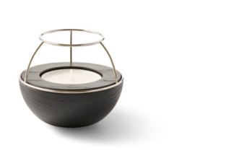 | 002101003120 | 5713798000156 | FLAMING RINGS 4IN1 Tea Light Holder_1 pc._Silver/Black oak | Tea light holder - 4 compositions. Wooden Base and metal top, which gives magnificent reflections of the flickering flame. | 1 pc. | - | Top: Silver / Base: Black oak | 3 | 92 | 21.96 | 2,020.32 | 44.90 | 4,130.80 | 2017 | Ø 100 x H 83 mm | Top: Stainless steel, silver plated + lacquered Base: Red oak wood, painted | Base: Wipe the surface with a damp microfiber cloth. Wireframe: Wipe gently with a dry microfiber cloth. Never use chemicals to clean this product. | Torben Kragh Jørgensen | 140 | 0.275 |  | China | 4420109090
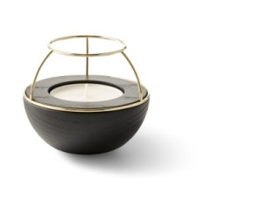 | 002101003020 | 5713798000163 | FLAMING RINGS 4IN1 Tea Light Holder_1 pc._Brass/Black oak | Tea light holder - 4 compositions. Wooden Base and metal top, which gives magnificent reflections of the flickering flame. | 1 pc. | - | Top: Brass / Base: Black oak | 3 | 67 | 21.96 | 1,471.32 | 44.90 | 3,008.30 | 2017 | Ø 100 x H 83 mm | Top: Stainless steel, brass plated + lacquered Base: Red oak wood, painted | Base: Wipe the surface with a damp microfiber cloth. Wireframe: Wipe gently with a dry microfiber cloth. Never use chemicals to clean this product. | Torben Kragh Jørgensen | 140 | 0.275 |  | China | 4420109090
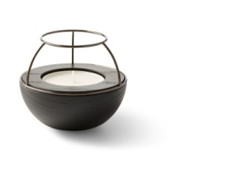 | 002101000420 | 5713798000170 | FLAMING RINGS 4IN1 Tea Light Holder_1 pc._Black/Black oak | Tea light holder - 4 compositions. Wooden Base and metal top, which gives magnificent reflections of the flickering flame. | 1 pc. | - | Top: Black / Base: Black oak | 3 | 100 | 21.96 | 2,196.00 | 44.90 | 4,490.00 | 2017 | Ø 100 x H 83 mm | Top: Stainless steel, black plated + lacquered Base: Red oak wood, painted | Base: Wipe the surface with a damp microfiber cloth. Wireframe: Wipe gently with a dry microfiber cloth. Never use chemicals to clean this product. | Torben Kragh Jørgensen | 140 | 0.275 |  | China | 4420109090
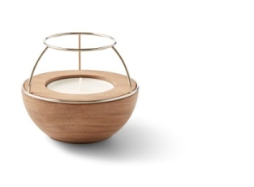 | 002101003121 | 5713798000187 | FLAMING RINGS 4IN1 Tea Light Holder_1 pc._Silver/Walnut | Tea light holder - 4 compositions. Wooden Base and metal top, which gives magnificent reflections of the flickering flame. | 1 pc. | - | Top: Silver / Base: Walnut | 3 | 95 | 21.96 | 2,086.20 | 44.90 | 4,265.50 | 2017 | Ø 100 x H 83 mm | Top: Stainless steel, silver plated + lacquered Base: Walnut wood, lacquered | Base: Wipe the surface with a damp microfiber cloth. Wireframe: Wipe gently with a dry microfiber cloth. Never use chemicals to clean this product. | Torben Kragh Jørgensen | 140 | 0.275 |  | China | 4420109090
 | 002101003021 | 5713798000194 | FLAMING RINGS 4IN1 Tea Light Holder_1 pc._Brass/Walnut | Tea light holder - 4 compositions. Wooden Base and metal top, which gives magnificent reflections of the flickering flame. | 1 pc. | - | Top: Brass / Base:Walnut | 3 | 42 | 21.96 | 922.32 | 44.90 | 1,885.80 | 2017 | Ø 100 x H 83 mm | Top: Stainless steel, brass plated + lacquered Base: Walnut wood, lacquered | Base: Wipe the surface with a damp microfiber cloth. Wireframe: Wipe gently with a dry microfiber cloth. Never use chemicals to clean this product. | Torben Kragh Jørgensen | 140 | 0.275 |  | China | 4420109090
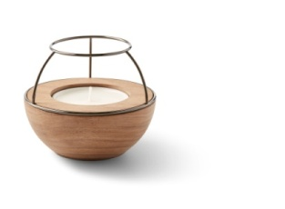 | 002101000421 | 5713798000200 | FLAMING RINGS 4IN1 Tea Light Holder_1 pc._Black/Walnut | Tea light holder - 4 compositions. Wooden Base and metal top, which gives magnificent reflections of the flickering flame. | 1 pc. | - | Top: Black / Base: Walnut | 3 | 92 | 21.96 | 2,020.32 | 44.90 | 4,130.80 | 2017 | Ø 100 x H 83 mm | Top: Stainless steel, black plated + lacquered Base: Walnut wood, lacquered | Base: Wipe the surface with a damp microfiber cloth. Wireframe: Wipe gently with a dry microfiber cloth. Never use chemicals to clean this product. | Torben Kragh Jørgensen | 140 | 0.275 |  | China | 4420109090
FLAMING RINGS CONFETTI Tea Light Holder
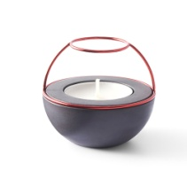 | 002201000850 | 5713798000415 | FLAMING RINGS CONFETTI Tea Light Holder_1 pc._Red | Tea light holder - Smooth untreated concrete base and metal top, which gives magnificent reflections of the flickering flame. | 1 pc. |  | Top: Red / Base: Black | 3 | 24 | 15.96 | 383.04 | 34.90 | 837.60 | 2017 | Ø 64 x H 57 mm | Top: Stainless steel, plated + painted Base: Concrete, untreated | Base: Wipe the surface with a damp microfiber cloth. Wireframe: Wipe gently with a dry microfiber cloth. Never use chemicals to clean this product. | Torben Kragh Jørgensen | 98 | 0.170 |  | China | 6810999000
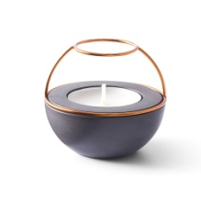 | 002201001150 | 5713798000422 | FLAMING RINGS CONFETTI Tea Light Holder_1 pc._Orange | Tea light holder - Smooth untreated concrete base and metal top, which gives magnificent reflections of the flickering flame. | 1 pc. |  | Top: Orange / Base: Black | 3 | 31 | 15.96 | 494.76 | 34.90 | 1,081.90 | 2017 | Ø 64 x H 57 mm | Top: Stainless steel, plated + painted Base: Concrete, untreated | Base: Wipe the surface with a damp microfiber cloth. Wireframe: Wipe gently with a dry microfiber cloth. Never use chemicals to clean this product. | Torben Kragh Jørgensen | 98 | 0.170 |  | China | 6810999000
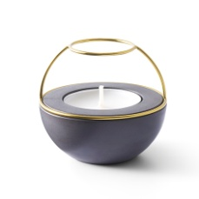 | 002201000550 | 5713798000439 | FLAMING RINGS CONFETTI Tea Light Holder_1 pc._Yellow | Tea light holder - Smooth untreated concrete base and metal top, which gives magnificent reflections of the flickering flame. | 1 pc. |  | Top: Yellow / Base: Black | 3 | 31 | 15.96 | 494.76 | 34.90 | 1,081.90 | 2017 | Ø 64 x H 57 mm | Top: Stainless steel, plated + painted Base: Concrete, untreated | Base: Wipe the surface with a damp microfiber cloth. Wireframe: Wipe gently with a dry microfiber cloth. Never use chemicals to clean this product. | Torben Kragh Jørgensen | 98 | 0.170 |  | China | 6810999000
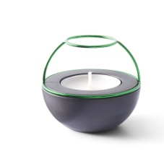 | 002201000650 | 5713798000446 | FLAMING RINGS CONFETTI Tea Light Holder_1 pc._Green | Tea light holder - Smooth untreated concrete base and metal top, which gives magnificent reflections of the flickering flame. | 1 pc. |  | Top: Green / Base: Black | 3 | 28 | 15.96 | 446.88 | 34.90 | 977.20 | 2017 | Ø 64 x H 57 mm | Top: Stainless steel, plated + painted Base: Concrete, untreated | Base: Wipe the surface with a damp microfiber cloth. Wireframe: Wipe gently with a dry microfiber cloth. Never use chemicals to clean this product. | Torben Kragh Jørgensen | 98 | 0.170 |  | China | 6810999000
 | 002201000750 | 5713798000453 | FLAMING RINGS CONFETTI Tea Light Holder_1 pc._Blue | Tea light holder - Smooth untreated concrete base and metal top, which gives magnificent reflections of the flickering flame. | 1 pc. |  | Top: Blue / Base: Black | 3 | 28 | 15.96 | 446.88 | 34.90 | 977.20 | 2017 | Ø 64 x H 57 mm | Top: Stainless steel, plated + painted Base: Concrete, untreated | Base: Wipe the surface with a damp microfiber cloth. Wireframe: Wipe gently with a dry microfiber cloth. Never use chemicals to clean this product. | Torben Kragh Jørgensen | 98 | 0.170 |  | China | 6810999000
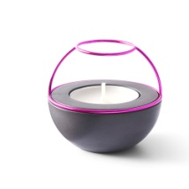 | 002201000950 | 5713798000460 | FLAMING RINGS CONFETTI Tea Light Holder_1 pc._Purple | Tea light holder - Smooth untreated concrete base and metal top, which gives magnificent reflections of the flickering flame. | 1 pc. |  | Top: Purple / Base: Black | 3 | 31 | 15.96 | 494.76 | 34.90 | 1,081.90 | 2017 | Ø 64 x H 57 mm | Top: Stainless steel, plated + painted Base: Concrete, untreated | Base: Wipe the surface with a damp microfiber cloth. Wireframe: Wipe gently with a dry microfiber cloth. Never use chemicals to clean this product. | Torben Kragh Jørgensen | 98 | 0.170 |  | China | 6810999000
JEWELLERY REST Organiser Tray Set
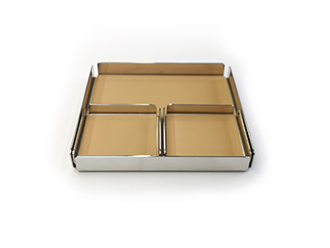 | 005101053410 | 5713798000583 | JEWELLERY REST Organiser Tray Set_3 pcs. set_Silver/Natural | Organiser tray set - Practical organiser set with 3 trays. Made of stainless steel and top grain leather. | 3 pcs. set |  | Silver / Light brown | 3 | 81 | 37.96 | 3,074.76 | 64.90 | 5,256.90 | 2017 | 1 pc L 149 x W 149 x H 19 mm 2 pcs L 73 x W 73 x H 14 mm | Tray: Stainless steel, polished Inlay: Leather, semi-aniline | Tray: Wipe the surface with a damp microfiber cloth. To remove grease stains use a microfiber cloth and glass cleaner. Inlay: Clean the surface by dabbing it with a damp microfiber cloth. Don't rub on the surface. Never use chemicals to clean this product. | NAV Scandinavia design team | 556 | 0.750 |  | China | 7326909000
JEWELLERY REST X Organiser Tray Set
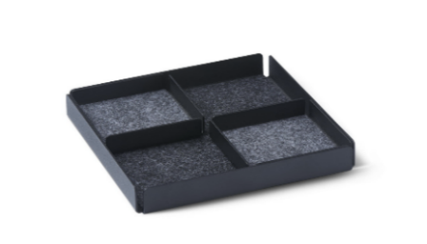 | 005401053811 | 5713798001481 | JEWELLERY REST X Organiser Tray Set_3 pcs. set_Black/Grey | Organiser tray set - Practical organiser set with 3 trays. Made of steel and felt. | 3 pcs. set |  | Black / Grey | 3 | 85 | 19.96 | 1,696.60 | 44.90 | 3,816.50 | 2019 | 1 pc L 149 x W 149 x H 19 mm 2 pcs L 73 x W 73 x H 14 mm | Tray: 1,2 mm steel, black powder Coated Inlay: 2 mm Synthetic fiber felt | Tray: Wipe the surface with a damp microfiber cloth. To remove grease stains use a microfiber cloth and glass cleaner. Inlay: Clean the surface by dabbing it with a damp microfiber cloth. Don't rub on the surface. Never use chemicals to clean this product. | NAV Scandinavia design team | 477 | 0.615 |  | China | 7326909000
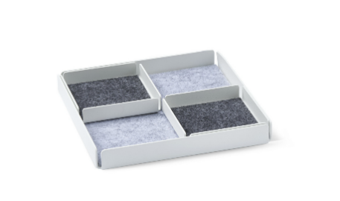 | 005401053911 | 5713798001498 | JEWELLERY REST X Organiser Tray Set_3 pcs. set_White/Grey | Organiser tray set - Practical organiser set with 3 trays. Made of steel and felt. | 3 pcs. set |  | White / Grey | 3 | 84 | 19.96 | 1,676.64 | 44.90 | 3,771.60 | 2019 | 1 pc L 149 x W 149 x H 19 mm 2 pcs L 73 x W 73 x H 14 mm | Tray: 1,2 mm steel, black powder Coated Inlay: 2 mm Synthetic fiber felt | Tray: Wipe the surface with a damp microfiber cloth. To remove grease stains use a microfiber cloth and glass cleaner. Inlay: Clean the surface by dabbing it with a damp microfiber cloth. Don't rub on the surface. Never use chemicals to clean this product. | NAV Scandinavia design team | 477 | 0.615 |  | China | 7326909000
LØKKEN Hook |  |  |  |  |  |  |  |  |  |  |  |  |  |  | Ø 64 / H 57 mm
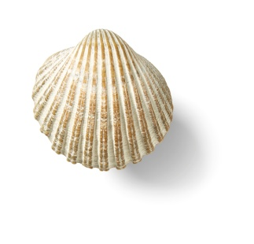 | 004101002930 | 5713798002488 | LØKKEN Hook_1 pc._Mini_White-Beige | Hook made of natural, unique and genuine cockle shell | 1 pc. | - | Shell: White-beige / Fitting: Stainless steel | 3 | 36 | 15.16 | 545.76 | 34.90 | 1,256.40 | 2020 | H 40-45 x D 32-39 mm | Shell: Cockle shell, natural Fitting: Stainless steel, silver plated + lacquered Compound: Crystal glue | Clean the surface carefully by wiping it with a damp cloth. Always handle with care. Never use chemicals for cleaning the product. | Torben Kragh Jørgensen | 45 | 0.120 |  | China | 9601900090
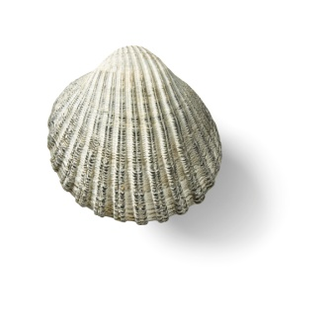 | 004101002830 | 5713798002471 | LØKKEN Hook_1 pc._Mini_White-Grey | Hook made of natural, unique and genuine cockle shell | 1 pc. | - | Shell: White-grey / Fitting: Stainless steel | 3 | 34 | 15.16 | 515.44 | 34.90 | 1,186.60 | 2020 | H 40-45 x D 32-39 mm | Shell: Cockle shell, natural Fitting: Stainless steel, silver plated + lacquered Compound: Crystal glue | Clean the surface carefully by wiping it with a damp cloth. Always handle with care. Never use chemicals for cleaning the product. | Torben Kragh Jørgensen | 45 | 0.120 |  | China | 9601900090
 | 5004001002930 | 5712798003037 | LØKKEN Hook_1 pc._Original_White-Beige | Hook made of natural, unique and genuine cockle shell | 1 pc. | - | Shell: White-beige / Fitting: Stainless steel | 3 | 120 | 15.96 | 1,915.20 | 34.90 | 4,188.00 | 2017 | H 47-54 x D 37-43 mm | Shell: Cockle shell, natural Fitting: Stainless steel, silver plated + lacquered Compound: Crystal glue | Clean the surface carefully by wiping it with a damp cloth. Always handle with care. Never use chemicals for cleaning the product. | Torben Kragh Jørgensen | 65 | 0.140 |  | China | 9601900090
 | 5004001002830 | 5712798003020 | LØKKEN Hook_1 pc._Original_White-Grey | Hook made of natural, unique and genuine cockle shell | 1 pc. | - | Shell: White-grey / Fitting: Stainless steel | 3 | 58 | 15.96 | 925.68 | 34.90 | 2,024.20 | 2017 | H 47-54 x D 37-43 mm | Shell: Cockle shell, natural Fitting: Stainless steel, silver plated + lacquered Compound: Crystal glue | Clean the surface carefully by wiping it with a damp cloth. Always handle with care. Never use chemicals for cleaning the product. | Torben Kragh Jørgensen | 65 | 0.140 |  | China | 9601900090
LØKKEN Knob |  |  |  |  |  |  |  |  |  |  |  |  |  |  | Ø 64 / H 57 mm
 | 004201002830 | 5713798002914 | LØKKEN Knob_1 pc._White-Grey | Knob made of natural, unique and genuine cockle shell | 1 pc. | - | Shell: White-grey / Fitting: Stainless steel | 3 | 36 | 15.16 | 545.76 | 34.90 | 1,256.40 | 2020 | H 44-48 x D 30-37 mm | Shell: Cockle shell, natural Fitting: Stainless steel, silver plated + lacquered Compound: Crystal glue | Clean the surface carefully by wiping it with a damp cloth. Always handle with care. Never use chemicals for cleaning the product. | Torben Kragh Jørgensen | 55 | 0.120 |  | China
 | 004201002930 | 5713798002921 | LØKKEN Knob_1 pc._White-Beige | Knob made of natural, unique and genuine cockle shell | 1 pc. | - | Shell: White-beige / Fitting: Stainless steel | 3 | 30 | 15.16 | 454.80 | 34.90 | 1,047.00 | 2020 | H 44-48 x D 30-37 mm | Shell: Cockle shell, natural Fitting: Stainless steel, silver plated + lacquered Compound: Crystal glue | Clean the surface carefully by wiping it with a damp cloth. Always handle with care. Never use chemicals for cleaning the product. | Torben Kragh Jørgensen | 55 | 0.120 |  | China
 | 004203002830 | 5713798002938 | LØKKEN Knob_3 pcs. set_White-Grey | Set of 3 knobs made of natural, unique and genuine cockle shell | 3 pcs. set | - | Shell: White-grey / Fitting: Stainless steel | 3 | 19 | 37.96 | 721.24 | 69.90 | 1,328.10 | 2020 | H 44-48 x D 30-37 mm | Shell: Cockle shell, natural Fitting: Stainless steel, silver plated + lacquered Compound: Crystal glue | Clean the surface carefully by wiping it with a damp cloth. Always handle with care. Never use chemicals for cleaning the product. | Torben Kragh Jørgensen | 55 | 0.310 |  | China
 | 004203002930 | 5713798002945 | LØKKEN Knob_3 pcs. set_White-Beige | Set of 3 knobs made of natural, unique and genuine cockle shell | 3 pcs. set | - | Shell: White-beige / Fitting: Stainless steel | 3 | 29 | 37.96 | 1,100.84 | 69.90 | 2,027.10 | 2020 | H 44-48 x D 30-37 mm | Shell: Cockle shell, natural Fitting: Stainless steel, silver plated + lacquered Compound: Crystal glue | Clean the surface carefully by wiping it with a damp cloth. Always handle with care. Never use chemicals for cleaning the product. | Torben Kragh Jørgensen | 55 | 0.310 |  | China
OFFICE REST Organiser Tray Set
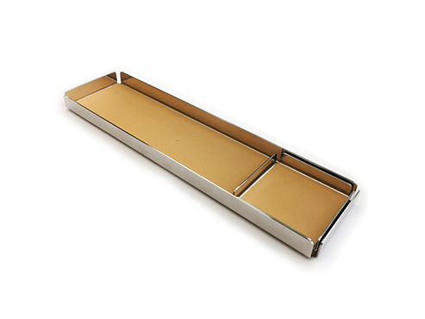 | 005201063410 | 5713798000606 | OFFICE REST Organiser Tray Set_2 pcs. set_Silver/Natural | Organiser tray set - Practical organiser set with 2 trays. Made of stainless steel and top grain leather. | 2 pcs. set |  | Silver / Light brown | 3 | 93 | 31.96 | 2,972.28 | 59.90 | 5,570.70 | 2017 | 1 pc L 299 x W 77 x H 19 mm 1 pc L 73 x W 73 x H 14 mm | Tray: Stainless steel, polished Inlay: Leather, semi-aniline | Tray: Wipe the surface with a damp microfiber cloth. To remove grease stains use a microfiber cloth and glass cleaner. Inlay: Clean the surface by dabbing it with a damp microfiber cloth. Don't rub on the surface. Never use chemicals to clean this product. | NAV Scandinavia design team | 497 | 0.694 |  | China | 7326909000
OFFICE REST X Organiser Tray Set
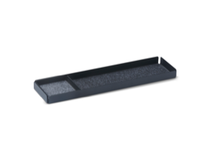 | 005501063811 | 5713798001504 | OFFICE REST X Organiser Tray Set_2 pcs. set_Black/Grey | Organiser tray set - Practical organiser set with 2 trays. Made of steel and felt. | 2 pcs. set |  | Black / Grey | 3 | 16 | 15.96 | 255.36 | 39.90 | 638.40 | 2019 | 1 pc L 299 x W 77 x H 19 mm 1 pc L 73 x W 73 x H 14 mm | Tray: 1,2 mm steel, black powder Coated Inlay: 2 mm Synthetic fiber felt | Tray: Wipe the surface with a damp microfiber cloth. To remove grease stains use a microfiber cloth and glass cleaner. Inlay: Clean the surface by dabbing it with a damp microfiber cloth. Don't rub on the surface. Never use chemicals to clean this product. | NAV Scandinavia design team | 433 | 0.578 |  | China | 7326909000
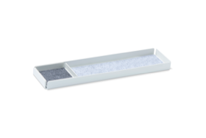 | 005501063911 | 5713798001511 | OFFICE REST X Organiser Tray Set_2 pcs. set_White/Grey | Organiser tray set - Practical organiser set with 2 trays. Made of steel and felt. | 2 pcs. set |  | White / Grey | 3 | 46 | 15.96 | 734.16 | 39.90 | 1,835.40 | 2019 | 1 pc L 299 x W 77 x H 19 mm 1 pc L 73 x W 73 x H 14 mm | Tray: 1,2 mm steel, black powder Coated Inlay: 2 mm Synthetic fiber felt | Tray: Wipe the surface with a damp microfiber cloth. To remove grease stains use a microfiber cloth and glass cleaner. Inlay: Clean the surface by dabbing it with a damp microfiber cloth. Don't rub on the surface. Never use chemicals to clean this product. | NAV Scandinavia design team | 433 | 0.578 |  | China | 7326909000
POCKETS' REST Organiser Tray Set
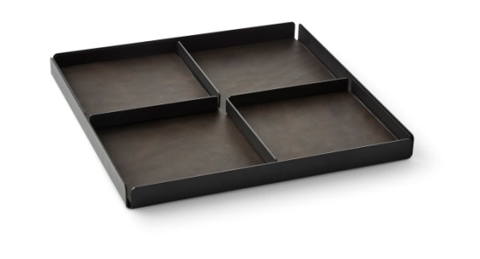 | 005001053510 | 5713798000361 | POCKETS' REST Organiser Tray_3 pcs. set_Black/Dark brown | Organiser tray set - Practical organiser set with 3 trays. Made of steel and top grain leather. | 3 pcs. set | - | Black / Dark brown | 3 | 36 | 53.96 | 1,942.56 | 99.90 | 3,596.40 | 2017 | 1 pc L 305 x W 305 x H 25 mm 2 pcs L 149 x W 149 x H 19 mm | Tray: Steel, powder coated Inlay: Leather, semi-aniline + waxed | Tray: Wipe the surface with a damp microfiber cloth. To remove grease stains use a microfiber cloth and glass cleaner. Inlay: Clean the surface by dabbing it with a damp microfiber cloth. Don't rub on the surface. Never use chemicals to clean this product. | NAV Scandinavia design team | 2500 | 3.085 |  | China | 7326909000
POCKETS' REST X Organiser Tray Set
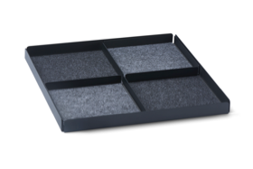 | 005301053811 | 5713798001573 | POCKETS' REST X Organiser Tray Set_3 pcs. set_Black/Grey | Organiser tray set - Practical organiser set with 3 trays. Made of steel and felt. | 3 pcs. set |  | Black / Grey | 3 | 40 | 31.96 | 1,278.40 | 59.90 | 2,396.00 | 2019 | 1 pc L 305 x W 305 x H 25 mm 2 pcs L 149 x W 149 x H 19 mm | Tray: 1,2 mm steel, black powder Coated Inlay: 2 mm Synthetic fiber felt | Tray: Wipe the surface with a damp microfiber cloth. To remove grease stains use a microfiber cloth and glass cleaner. Inlay: Clean the surface by dabbing it with a damp microfiber cloth. Don't rub on the surface. Never use chemicals to clean this product. | NAV Scandinavia design team | 1925 | 2.295 |  | China | 7326909000
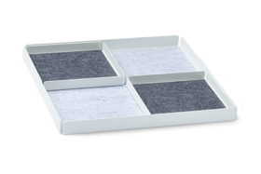 | 005301053911 | 5713798001580 | POCKETS' REST X Organiser Tray Set_3 pcs. set_White/Grey | Organiser tray set - Practical organiser set with 3 trays. Made of steel and felt. | 3 pcs. set |  | White / Grey | 3 | 76 | 31.96 | 2,428.96 | 59.90 | 4,552.40 | 2019 | 1 pc L 305 x W 305 x H 25 mm 2 pcs L 149 x W 149 x H 19 mm | Tray: 1,2 mm steel, black powder Coated Inlay: 2 mm Synthetic fiber felt | Tray: Wipe the surface with a damp microfiber cloth. To remove grease stains use a microfiber cloth and glass cleaner. Inlay: Clean the surface by dabbing it with a damp microfiber cloth. Don't rub on the surface. Never use chemicals to clean this product. | NAV Scandinavia design team | 1925 | 2.295 |  | China | 7326909000
STACK Jewellery Box Set |  |  |  |  |  |  |  |  |  |  |  |  |  |  | Ø 64 / H 57 mm
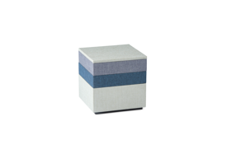 | 005601015070 | 5713798001634 | STACK Jewellery Box Set_S_3 pcs. set_Blue/Green/Grey | Jewellery Boxes - set of 3. Stack and store: a minimalistic modular jewellery box to keep your accessories easily accessible and ready to wear | 3 pcs. set |  | Blue / Green / Grey | 3 | 140 | 35.96 | 5,034.40 | 69.90 | 9,786.00 | 2019 | TOTAL: L 120 x W 120 x H 120 mm 1 pc 120 x 120 x 60 2 pc 120 x 120 x 33 1 pc 120 x 120 x 12 (Lid) | Construction: MDF Outside Material: Canvas Inside Material: Velvet | Wipe the surface gently with a dry microfiber cloth. Never use chemicals to clean this product. | Concept by: Torben Kragh Jørgensen Designed by: NAV Scandinavia design team | 657 | 0.865 |  | China | 4420909090
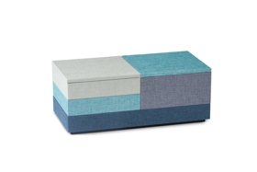 | 005601035070 | 5713798001641 | STACK Jewellery Box Set_L_4 pcs. set_Blue/Green/Grey/Turquoise | Jewellery Boxes - set of 4. Stack and store: a minimalistic modular jewellery box to keep your accessories easily accessible and ready to wear | 4 pcs. set |  | Blue / Green / Grey / Turquoise | 3 | 219 | 47.96 | 10,503.24 | 99.90 | 21,878.10 | 2019 | TOTAL: L 240 x W 120 x H 93 mm 1 pc 240 x 120 x 33 1 pc 120 x 120 x 60 2 pc 120 x 120 x 33 2 pc 120 x 120 x 12 (Lid) | Construction: MDF Outside Material: Canvas Inside Material: Velvet | Wipe the surface gently with a dry microfiber cloth. Never use chemicals to clean this product. | Concept by: Torben Kragh Jørgensen Designed by: NAV Scandinavia design team | 1136 | 1.415 |  | China | 4420909090
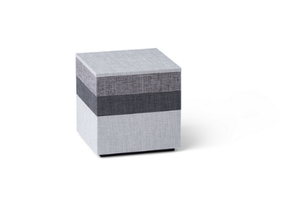 | 005601015170 | 5713798002532 | STACK Jewellery Box Set_S_3 pcs. set_Charcoal/Ash/Cloud | Jewellery Boxes - set of 3. Stack and store: a minimalistic modular jewellery box to keep your accessories easily accessible and ready to wear | 3 pcs. set |  | Charcoal / Ash / Cloud | 3 | 167 | 35.96 | 6,005.32 | 69.90 | 11,673.30 | 2019 | TOTAL: L 120 x W 120 x H 120 mm 1 pc 120 x 120 x 60 2 pc 120 x 120 x 33 1 pc 120 x 120 x 12 (Lid) | Construction: MDF Outside Material: Canvas Inside Material: Velvet | Wipe the surface gently with a dry microfiber cloth. Never use chemicals to clean this product. | Concept by: Torben Kragh Jørgensen Designed by: NAV Scandinavia design team | 657 | 0.865 |  | China | 4420909090
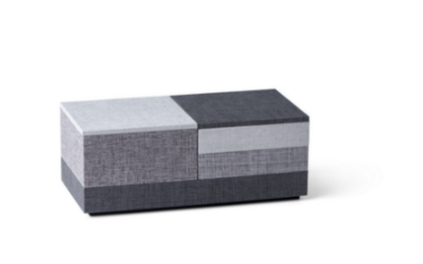 | 005601035170 | 5713798002549 | STACK Jewellery Box Set_L_4 pcs. set_Charcoal/Ash/Smoke/Cloud | Jewellery Boxes - set of 4. Stack and store: a minimalistic modular jewellery box to keep your accessories easily accessible and ready to wear | 4 pcs. set |  | Charcoal / Ash / Smoke / Cloud | 3 | 262 | 47.96 | 12,565.52 | 99.90 | 26,173.80 | 2019 | TOTAL: L 240 x W 120 x H 93 mm 1 pc 240 x 120 x 33 1 pc 120 x 120 x 60 2 pc 120 x 120 x 33 2 pc 120 x 120 x 12 (Lid) | Construction: MDF Outside Material: Canvas Inside Material: Velvet | Wipe the surface gently with a dry microfiber cloth. Never use chemicals to clean this product. | Concept by: Torben Kragh Jørgensen Designed by: NAV Scandinavia design team | 1136 | 1.415 |  | China | 4420909090
 | 025601005470 | 5713798002563 | STACK Watch Jewellery Box_1 pc_Cloud | Jewellery Box - single Stack and store: a minimalistic modular jewellery box to keep your accessories easily accessible and ready to wear | 1 pc. |  | Cloud | 3 | 23 | 17.56 | 403.88 | 39.90 | 917.70 | 2020 | 120 x 120 x 60 + lid (120 x 120 x 12) | Construction: MDF Outside Material: Canvas Inside Material: Velvet | Wipe the surface gently with a dry microfiber cloth. Never use chemicals to clean this product. | Concept by: Torben Kragh Jørgensen Designed by: NAV Scandinavia design team | 330 | 0.480 |  | China | 4420909090
 | 035601005370 | 5713798002570 | STACK Ring Jewellery Box_1 pc_Ash | Jewellery Box - single Stack and store: a minimalistic modular jewellery box to keep your accessories easily accessible and ready to wear | 1 pc. |  | Ash | 3 | 14 | 21.16 | 296.24 | 44.90 | 628.60 | 2020 | 120 x 120 x 60 + lid (120 x 120 x 12) | Construction: MDF Outside Material: Canvas Inside Material: Velvet | Wipe the surface gently with a dry microfiber cloth. Never use chemicals to clean this product. | Concept by: Torben Kragh Jørgensen Designed by: NAV Scandinavia design team | 420 | 0.570 |  | China | 4420909090
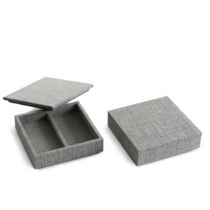 | 045601005570 | 5713798002587 | STACK Pendant Earrings Jewellery Box_1 pc_Smoke | Jewellery Box - single Stack and store: a minimalistic modular jewellery box to keep your accessories easily accessible and ready to wear | 1 pc. |  | Smoke | 3 | 24 | 15.96 | 383.04 | 37.90 | 909.60 | 2020 | 120 x 120 x 33 + lid (120 x 120 x 12) | Construction: MDF Outside Material: Canvas Inside Material: Velvet | Wipe the surface gently with a dry microfiber cloth. Never use chemicals to clean this product. | Concept by: Torben Kragh Jørgensen Designed by: NAV Scandinavia design team | 275 | 0.425 |  | China | 4420909090
 | 055601005470 | 5713798002594 | STACK Bracelet Jewellery Box_ 1 pc_Cloud | Jewellery Box - single Stack and store: a minimalistic modular jewellery box to keep your accessories easily accessible and ready to wear | 1 pc. |  | Cloud | 3 | 28 | 15.96 | 446.88 | 37.90 | 1,061.20 | 2020 | 120 x 120 x 33 + lid (120 x 120 x 12) | Construction: MDF Outside Material: Canvas Inside Material: Velvet | Wipe the surface gently with a dry microfiber cloth. Never use chemicals to clean this product. | Concept by: Torben Kragh Jørgensen Designed by: NAV Scandinavia design team | 275 | 0.425 |  | China | 4420909090
 | 065601005270 | 5713798002600 | STACK Earrings Jewellery Box_1 pc_Ash | Jewellery Box - single Stack and store: a minimalistic modular jewellery box to keep your accessories easily accessible and ready to wear | 1 pc. |  | Ash | 3 | 14 | 15.96 | 223.44 | 37.90 | 530.60 | 2020 | 120 x 120 x 33 + lid (120 x 120 x 12) | Construction: MDF Outside Material: Canvas Inside Material: Velvet | Wipe the surface gently with a dry microfiber cloth. Never use chemicals to clean this product. | Concept by: Torben Kragh Jørgensen Designed by: NAV Scandinavia design team | 280 | 0.430 |  | China | 4420909090
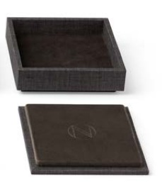 | 075601005370 | 5713798002617 | STACK Basic Jewellery Box_1 pc_Charcoal | Jewellery Box - single Stack and store: a minimalistic modular jewellery box to keep your accessories easily accessible and ready to wear | 1 pc. |  | Charcoal | 3 | 17 | 14.76 | 250.92 | 34.90 | 593.30 | 2020 | 120 x 120 x 33 + lid (120 x 120 x 12) | Construction: MDF Outside Material: Canvas Inside Material: Velvet | Wipe the surface gently with a dry microfiber cloth. Never use chemicals to clean this product. | Concept by: Torben Kragh Jørgensen Designed by: NAV Scandinavia design team | 270 | 0.398 |  | China | 4420909090
WONDER Standing Mobile Butterfly
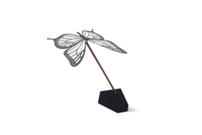 | 000201000401 | 5713798001658 | WONDER Butterfly_1 pc._Black | Butterfly Mobile - Standing mobile made of stainless steel, walnut stick and a base of rubber painted stainless steel. | 1 pc. |  | Black | 3 | 105 | 19.96 | 2,095.80 | 44.90 | 4,714.50 | 2019 | Assembled Arrangement: L 170 x W 145 x H 195 mm Butterfly: L 120 x W 105 mm | Butterfly: 0,3 mm Stainless steel, black painted Stick: Walnut, lacquered Base: Stainless steel, rubber paint coated | Base & Stick: Wipe the surface gently with a damp microfiber cloth. Butterfly: Clean the surface carefully by wiping it with a microfiber cloth. Use a damp cloth for black coloured products. Use a dry cloth for blue, brass, rainbow and silver coloured products. Always handle with care. Never use chemicals to clean this product. | Concept by: Torben Kragh Jørgensen Designed by: NAV Scandinavia design team | 230 | 0.485 |  | China | 8306299000
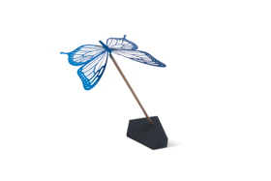 | 000201000701 | 5713798001665 | WONDER Butterfly_1 pc._Blue Mirror | Butterfly Mobile - Standing mobile made of stainless steel, walnut stick and a base of rubber painted stainless steel. | 1 pc. |  | Blue mirror | 3 | 33 | 23.96 | 790.68 | 44.90 | 1,481.70 | 2019 | Assembled Arrangement: L 170 x W 145 x H 195 mm Butterfly: L 120 x W 105 mm | Butterfly: 0,3 mm stainless steel, blue PVD coated Stick: Walnut, lacquered Base: Stainless steel, rubber paint coated | Base & Stick: Wipe the surface gently with a damp microfiber cloth. Butterfly: Clean the surface carefully by wiping it with a microfiber cloth. Use a damp cloth for black coloured products. Use a dry cloth for blue, brass, rainbow and silver coloured products. Always handle with care. Never use chemicals to clean this product. | Concept by: Torben Kragh Jørgensen Designed by: NAV Scandinavia design team | 230 | 0.485 |  | China | 8306299000
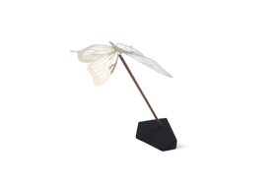 | 000201003601 | 5713798001672 | WONDER Butterfly_1 pc._Brass Mirror | Butterfly Mobile - Standing mobile made of stainless steel, walnut stick and a base of rubber painted stainless steel. | 1 pc. |  | Brass mirror | 3 | 44 | 19.96 | 878.24 | 44.90 | 1,975.60 | 2019 | Assembled Arrangement: L 170 x W 145 x H 195 mm Butterfly: L 120 x W 105 mm | Butterfly: 0,3 mm stainless steel, brass PVD coated Stick: Walnut, lacquered Base: Stainless steel, rubber paint coated | Base & Stick: Wipe the surface gently with a damp microfiber cloth. Butterfly: Clean the surface carefully by wiping it with a microfiber cloth. Use a damp cloth for black coloured products. Use a dry cloth for blue, brass, rainbow and silver coloured products. Always handle with care. Never use chemicals to clean this product. | Concept by: Torben Kragh Jørgensen Designed by: NAV Scandinavia design team | 230 | 0.485 |  | China | 8306299000
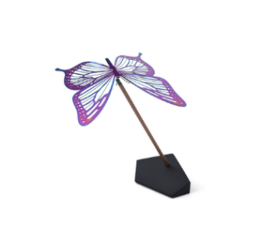 | 000201001501 | 5713798002631 | WONDER Butterfly_1 pc._Rainbow | Butterfly Mobile - Standing mobile made of stainless steel, walnut stick and a base of rubber painted stainless steel. | 1 pc. |  | Rainbow | 3 | 18 | 23.96 | 431.28 | 49.90 | 898.20 | 2020 | Assembled Arrangement: L 170 x W 145 x H 195 mm Butterfly: L 120 x W 105 mm | Butterfly: 0,3 mm stainless steel, rainbow PVD coated Stick: Walnut, lacquered Base: Stainless steel, rubber paint coated | Base & Stick: Wipe the surface gently with a damp microfiber cloth. Butterfly: Clean the surface carefully by wiping it with a microfiber cloth. Use a damp cloth for black coloured products. Use a dry cloth for blue, brass, rainbow and silver coloured products. Always handle with care. Never use chemicals to clean this product. | Concept by: Torben Kragh Jørgensen Designed by: NAV Scandinavia design team | 230 | 0.485 |  | China | 8306299000
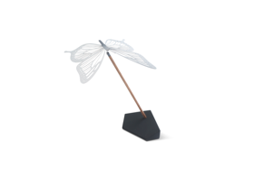 | 000201007701 | 5713798001689 | WONDER Butterfly_1 pc._Silver Mirror | Butterfly Mobile - Standing mobile made of stainless steel, walnut stick and a base of rubber painted stainless steel. | 1 pc. |  | Silver mirror | 3 | 61 | 19.96 | 1,217.56 | 44.90 | 2,738.90 | 2019 | Assembled Arrangement: L 170 x W 145 x H 195 mm Butterfly: L 120 x W 105 mm | Butterfly: 0,3 mm stainless steel, polished Stick: Walnut, lacquered Base: Stainless steel, rubber paint coated | Base & Stick: Wipe the surface gently with a damp microfiber cloth. Butterfly: Clean the surface carefully by wiping it with a microfiber cloth. Use a damp cloth for black coloured products. Use a dry cloth for blue, brass, rainbow and silver coloured products. Always handle with care. Never use chemicals to clean this product. | Concept by: Torben Kragh Jørgensen Designed by: NAV Scandinavia design team | 230 | 0.485 |  | China | 8306299000
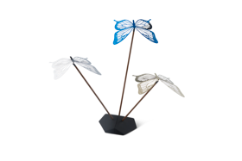 | 000203059901 | 5713798001696 | WONDER Butterfly_3 pcs. set_mixed: Blue Mirror/Brass Mirror/Silver Mirror | Butterfly Mobile set of 3 pcs - Standing mobile made of stainless steel, walnut stick and a base of rubber painted stainless steel. | 3 pcs. set |  | Blue mirror/ Brass mirror / Silver mirror | 3 | 0 | 51.96 | - | 99.90 | - | 2019 | Assembled Arrangement: Ø 335 x H 210 mm Butterfly: L 120 x W 105 mm | Butterfly: Blue: 0,3 mm stainless steel, blue PVD coated/Brass: 0,3 mm stainless steel, brass PVD coated/Silver: 0,3 mm stainless steel, polished Stick: Walnut, lacquered Base: Stainless steel, rubber paint coated | Base & Stick: Wipe the surface gently with a damp microfiber cloth. Butterfly: Clean the surface carefully by wiping it with a microfiber cloth. Use a damp cloth for black coloured products. Use a dry cloth for blue, brass, rainbow and silver coloured products. Always handle with care. Never use chemicals to clean this product. | Concept by: Torben Kragh Jørgensen Designed by: NAV Scandinavia design team | 690 | 1.200 |  | China | 8306299000
WONDER Standing Mobile Dragonfly
Stainless Steel, Black Painted
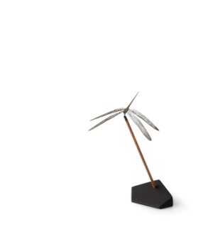 | 000101010401 | 5713798000231 | WONDER Dragonfly_1 pc._S_Black | Dragonfly Mobile - Standing mobile made of stainless steel, walnut stick and a base of rubber painted stainless steel. | 1 pc. | S | Black | 3 | 297 | 19.96 | 5,928.12 | 44.90 | 13,335.30 | 2017 | L 105 x W 104 x H 160 mm | Dragonfly: Stainless steel, black painted Stick: Walnut, lacquered Base: Stainless steel, rubber paint coated | Base & Stick: Wipe the surface gently with a damp microfiber cloth. Dragonfly: Clean the surface carefully by wiping it with a microfiber cloth. Use a damp cloth for black coloured products. Use a dry cloth for brass and silver coloured products. Always handle with care. Never use chemicals to clean this product. | Torben Kragh Jørgensen | 215 | 0.392 |  | China | 8306299000
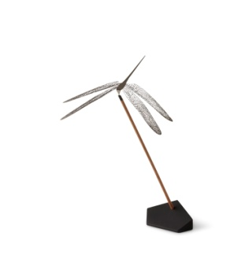 | 000101020401 | 5713798000262 | WONDER Dragonfly_1 pc._M_Black | Dragonfly Mobile - Standing mobile made of stainless steel, walnut stick and a base of rubber painted stainless steel. | 1 pc. | M | Black | 3 | 188 | 23.96 | 4,504.48 | 49.90 | 9,381.20 | 2017 | L 149 x W 147 x H 220 mm | Dragonfly: Stainless steel, black painted Stick: Walnut, lacquered Base: Stainless steel, rubber paint coated | Base & Stick: Wipe the surface gently with a damp microfiber cloth. Dragonfly: Clean the surface carefully by wiping it with a microfiber cloth. Use a damp cloth for black coloured products. Use a dry cloth for brass and silver coloured products. Always handle with care. Never use chemicals to clean this product. | Torben Kragh Jørgensen | 220 | 0.550 |  | China | 8306299000
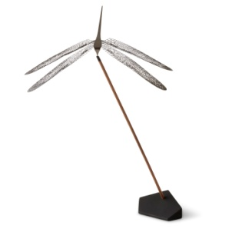 | 000101030401 | 5713798000293 | WONDER Dragonfly_1 pc._L_Black | Dragonfly Mobile - Standing mobile made of stainless steel, walnut stick and a base of rubber painted stainless steel. | 1 pc. | L | Black | 3 | 443 | 27.96 | 12,386.28 | 54.90 | 24,320.70 | 2017 | L 193 x W 190 x H 275 mm | Dragonfly: Stainless steel, black painted Stick: Walnut, lacquered Base: Stainless steel, rubber paint coated | Base & Stick: Wipe the surface gently with a damp microfiber cloth. Dragonfly: Clean the surface carefully by wiping it with a microfiber cloth. Use a damp cloth for black coloured products. Use a dry cloth for brass and silver coloured products. Always handle with care. Never use chemicals to clean this product. | Torben Kragh Jørgensen | 228 | 0.700 |  | China | 8306299000
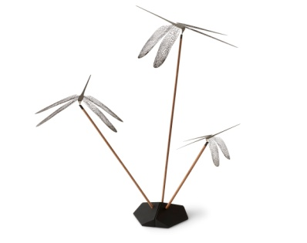 | 000103040401 | 5713798000323 | WONDER Dragonfly_3 pcs. set_S/M/L_Black | Dragonfly Mobile set of 3 pcs - Standing mobile made of stainless steel, walnut stick and a base of rubber painted stainless steel. | 3 pcs. set | S / M / L | Black | 3 | 27 | 59.96 | 1,618.92 | 109.90 | 2,967.30 | 2017 | L 105 x W 104 x H 160 mm L 149 x W 147 x H 220 mm L 193 x W 190 x H 275 mm | Dragonfly: Stainless steel, black painted Stick: Walnut, lacquered Base: Stainless steel, rubber paint coated | Base & Stick: Wipe the surface gently with a damp microfiber cloth. Dragonfly: Clean the surface carefully by wiping it with a microfiber cloth. Use a damp cloth for black coloured products. Use a dry cloth for brass and silver coloured products. Always handle with care. Never use chemicals to clean this product. | Torben Kragh Jørgensen | S: 215 M: 220 L: 228 | 1.250 |  | China | 8306299000
Stainless Steel, Plated + Lacquered, Brass + Silver colour
 | 000101013001 | 5713798000224 | WONDER Dragonfly_1 pc._S_Brass | Dragonfly Mobile - Standing mobile made of stainless steel, walnut stick and a base of rubber painted stainless steel. | 1 pc. | S | Brass | 3 | 90 | 19.96 | 1,796.40 | 44.90 | 4,041.00 | 2017 | L 105 x W 104 x H 160 mm | Dragonfly: 0,3 mm Stainless steel, brass plated + lacquered Stick: Walnut, lacquered Base: Stainless steel, rubber paint coated | Base & Stick: Wipe the surface gently with a damp microfiber cloth. Dragonfly: Clean the surface carefully by wiping it with a microfiber cloth. Use a damp cloth for black coloured products. Use a dry cloth for brass and silver coloured products. Always handle with care. Never use chemicals to clean this product. | Torben Kragh Jørgensen | 215 | 0.392 |  | China | 8306299000
 | 000101023001 | 5713798000255 | WONDER Dragonfly_1 pc._M_Brass | Dragonfly Mobile - Standing mobile made of stainless steel, walnut stick and a base of rubber painted stainless steel. | 1 pc. | M | Brass | 3 | 191 | 23.96 | 4,576.36 | 49.90 | 9,530.90 | 2017 | L 149 x W 147 x H 220 mm | Dragonfly: Stainless steel, brass plated + lacquered Stick: Walnut, lacquered Base: Stainless steel, rubber paint coated | Base & Stick: Wipe the surface gently with a damp microfiber cloth. Dragonfly: Clean the surface carefully by wiping it with a microfiber cloth. Use a damp cloth for black coloured products. Use a dry cloth for brass and silver coloured products. Always handle with care. Never use chemicals to clean this product. | Torben Kragh Jørgensen | 220 | 0.550 |  | China | 8306299000
 | 000103043001 | 5713798000316 | WONDER Dragonfly_3 pcs. set_S/M/L_Brass | Dragonfly Mobile set of 3 pcs - Standing mobile made of stainless steel, walnut stick and a base of rubber painted stainless steel. | 3 pcs. set | S / M / L | Brass | 3 | 82 | 59.96 | 4,916.72 | 109.90 | 9,011.80 | 2017 | L 105 x W 104 x H 160 mm L 149 x W 147 x H 220 mm L 193 x W 190 x H 275 mm | Dragonfly: Stainless steel, brass plated + lacquered Stick: Walnut, lacquered Base: Stainless steel, rubber paint coated | Base & Stick: Wipe the surface gently with a damp microfiber cloth. Dragonfly: Clean the surface carefully by wiping it with a microfiber cloth. Use a damp cloth for black coloured products. Use a dry cloth for brass and silver coloured products. Always handle with care. Never use chemicals to clean this product. | Torben Kragh Jørgensen | S: 215 M: 220 L: 228 | 1.250 |  | China | 8306299000
 | 000101013101 | 5713798000217 | WONDER Dragonfly_1 pc._S_Silver | Dragonfly Mobile - Standing mobile made of stainless steel, walnut stick and a base of rubber painted stainless steel. | 1 pc. | S | Silver | 3 | 80 | 19.96 | 1,596.80 | 44.90 | 3,592.00 | 2017 | L 105 x W 104 x H 160 mm | Dragonfly: 0,3 mm Stainless steel, silver plated + lacquered Stick: Walnut, lacquered ? Base: Stainless steel, rubber paint coated | Base & Stick: Wipe the surface gently with a damp microfiber cloth. Dragonfly: Clean the surface carefully by wiping it with a microfiber cloth. Use a damp cloth for black coloured products. Use a dry cloth for brass and silver coloured products. Always handle with care. Never use chemicals to clean this product. | Torben Kragh Jørgensen | 215 | 0.392 |  | China | 8306299000
 | 000101023101 | 5713798000248 | WONDER Dragonfly_1 pc._M_Silver | Dragonfly Mobile - Standing mobile made of stainless steel, walnut stick and a base of rubber painted stainless steel. | 1 pc. | M | Silver | 3 | 2 | 23.96 | 47.92 | 49.90 | 99.80 | 2017 | L 149 x W 147 x H 220 mm | Dragonfly: Stainless steel, silver plated + lacquered Stick: Walnut, lacquered Base: Stainless steel, rubber paint coated | Base & Stick: Wipe the surface gently with a damp microfiber cloth. Dragonfly: Clean the surface carefully by wiping it with a microfiber cloth. Use a damp cloth for black coloured products. Use a dry cloth for brass and silver coloured products. Always handle with care. Never use chemicals to clean this product. | Torben Kragh Jørgensen | 220 | 0.550 |  | China | 8306299000
 | 000101033101 | 5713798000279 | WONDER Dragonfly_1 pc._L_Silver | Dragonfly Mobile - Standing mobile made of stainless steel, walnut stick and a base of rubber painted stainless steel. | 1 pc. | L | Silver | 3 | 43 | 27.96 | 1,202.28 | 54.90 | 2,360.70 | 2017 | L 193 x W 190 x H 275 mm | Dragonfly: Stainless steel, silver plated + lacquered Stick: Walnut, lacquered Base: Stainless steel, rubber paint coated | Base & Stick: Wipe the surface gently with a damp microfiber cloth. Dragonfly: Clean the surface carefully by wiping it with a microfiber cloth. Use a damp cloth for black coloured products. Use a dry cloth for brass and silver coloured products. Always handle with care. Never use chemicals to clean this product. | Torben Kragh Jørgensen | 228 | 0.700 |  | China | 8306299000
 | 000103043101 | 5713798000309 | WONDER Dragonfly_3 pcs. set_S/M/L_Silver | Dragonfly Mobile set of 3 pcs - Standing mobile made of stainless steel, walnut stick and a base of rubber painted stainless steel. | 3 pcs. set | S / M / L | Silver | 3 | 12 | 59.96 | 719.52 | 109.90 | 1,318.80 | 2017 | L 105 x W 104 x H 160 mm L 149 x W 147 x H 220 mm L 193 x W 190 x H 275 mm | Dragonfly: Stainless steel, silver plated + lacquered Stick: Walnut, lacquered Base: Stainless steel, rubber paint coated | Base & Stick: Wipe the surface gently with a damp microfiber cloth. Dragonfly: Clean the surface carefully by wiping it with a microfiber cloth. Use a damp cloth for black coloured products. Use a dry cloth for brass and silver coloured products. Always handle with care. Never use chemicals to clean this product. | Torben Kragh Jørgensen | S: 215 M: 220 L: 228 | 1.250 |  | China | 8306299000
 | 000103049901 | 5713798000330 | WONDER Dragonfly_3 pcs. set_S/M/L_Mixed: Silver/Brass/Black | Dragonfly Mobile set of 3 pcs - Standing mobile made of stainless steel, walnut stick and a base of rubber painted stainless steel. | 3 pcs. set | S / M / L | Silver / Brass / Black | 3 | 17 | 59.96 | 1,019.32 | 109.90 | 1,868.30 | 2017 | L 105 x W 104 x H 160 mm L 149 x W 147 x H 220 mm L 193 x W 190 x H 275 mm | Dragonfly: Black: Stainless steel, black painted /Brass: Stainless steel, brass plated + lacquered / Silver: Stainless steel, silver plated + lacquered Stick: Walnut, lacquered Base: Stainless steel, rubber paint coated | Base & Stick: Wipe the surface gently with a damp microfiber cloth. Dragonfly: Clean the surface carefully by wiping it with a microfiber cloth. Use a damp cloth for black coloured products. Use a dry cloth for brass and silver coloured products. Always handle with care. Never use chemicals to clean this product. | Torben Kragh Jørgensen | S: 215 M: 220 L: 228 | 1.250 |  | China | 8306299000
Stainless Steel, PVD coated, Brass + Silver colour
 | 000101013601 | 5713798001733 | WONDER Dragonfly_1 pc._S_Brass_Mirror | Dragonfly Mobile - Standing mobile made of stainless steel, walnut stick and a base of rubber painted stainless steel. | 1 pc. | S | Brass mirror | 3 | 58 | 19.96 | 1,157.68 | 44.90 | 2,604.20 | 2019 | L 105 x W 104 x H 160 mm | Dragonfly: 0,3 mm stainless steel, brass PVD coated Stick: Walnut, lacquered Base: Stainless steel, rubber paint coated | Base & Stick: Wipe the surface gently with a damp microfiber cloth. Dragonfly: Clean the surface carefully by wiping it with a microfiber cloth. Use a damp cloth for black coloured products. Use a dry cloth for brass and silver coloured products. Always handle with care. Never use chemicals to clean this product. | Torben Kragh Jørgensen | 215 | 0.392 |  | China | 8306299000
 | 000101013701 | 5713798001726 | WONDER Dragonfly_1 pc._S_Silver Mirror | Dragonfly Mobile - Standing mobile made of stainless steel, walnut stick and a base of rubber painted stainless steel. | 1 pc. | S | Silver mirror | 3 | 293 | 19.96 | 5,848.28 | 44.90 | 13,155.70 | 2019 | L 105 x W 104 x H 160 mm | Dragonfly: 0,3 mm stainless steel, polished Stick: Walnut, lacquered Base: Stainless steel, rubber paint coated | Base & Stick: Wipe the surface gently with a damp microfiber cloth. Dragonfly: Clean the surface carefully by wiping it with a microfiber cloth. Use a damp cloth for black coloured products. Use a dry cloth for brass and silver coloured products. Always handle with care. Never use chemicals to clean this product. | Torben Kragh Jørgensen | 215 | 0.392 |  | China | 8306299000
 | 000101023601 | 5713798001757 | WONDER Dragonfly_1 pc._M_Brass Mirror | Dragonfly Mobile - Standing mobile made of stainless steel, walnut stick and a base of rubber painted stainless steel. | 1 pc. | M | Brass mirror | 3 | 102 | 23.96 | 2,443.92 | 49.90 | 5,089.80 | 2019 | L 149 x W 147 x H 220 mm | Dragonfly: 0,3 mm stainless steel, brass PVD coated Stick: Walnut, lacquered Base: Stainless steel, rubber paint coated | Base & Stick: Wipe the surface gently with a damp microfiber cloth. Dragonfly: Clean the surface carefully by wiping it with a microfiber cloth. Use a damp cloth for black coloured products. Use a dry cloth for brass and silver coloured products. Always handle with care. Never use chemicals to clean this product. | Torben Kragh Jørgensen | 220 | 0.550 |  | China | 8306299000
 | 000101023701 | 5713798001740 | WONDER Dragonfly_1 pc._M_Silver Mirror | Dragonfly Mobile - Standing mobile made of stainless steel, walnut stick and a base of rubber painted stainless steel. | 1 pc. | M | Silver mirror | 3 | 267 | 23.96 | 6,397.32 | 49.90 | 13,323.30 | 2019 | L 149 x W 147 x H 220 mm | Dragonfly: 0,3 mm stainless steel, polished Stick: Walnut, lacquered Base: Stainless steel, rubber paint coated | Base & Stick: Wipe the surface gently with a damp microfiber cloth. Dragonfly: Clean the surface carefully by wiping it with a microfiber cloth. Use a damp cloth for black coloured products. Use a dry cloth for brass and silver coloured products. Always handle with care. Never use chemicals to clean this product. | Torben Kragh Jørgensen | 220 | 0.550 |  | China | 8306299000
 | 000101033601 | 5713798001771 | WONDER Dragonfly_1 pc._L_Brass Mirror | Dragonfly Mobile - Standing mobile made of stainless steel, walnut stick and a base of rubber painted stainless steel. | 1 pc. | L | Brass mirror | 3 | 284 | 27.96 | 7,940.64 | 54.90 | 15,591.60 | 2019 | L 193 x W 190 x H 275 mm | Dragonfly: 0,3 mm stainless steel, brass PVD coated Stick: Walnut, lacquered Base: Stainless steel, rubber paint coated | Base & Stick: Wipe the surface gently with a damp microfiber cloth. Dragonfly: Clean the surface carefully by wiping it with a microfiber cloth. Use a damp cloth for black coloured products. Use a dry cloth for brass and silver coloured products. Always handle with care. Never use chemicals to clean this product. | Torben Kragh Jørgensen | 228 | 0.700 |  | China | 8306299000
 | 000101033701 | 5713798001764 | WONDER Dragonfly_1 pc._L_Silver Mirror | Dragonfly Mobile - Standing mobile made of stainless steel, walnut stick and a base of rubber painted stainless steel. | 1 pc. | L | Silver mirror | 3 | 7 | 27.96 | 195.72 | 54.90 | 384.30 | 2019 | L 193 x W 190 x H 275 mm | Dragonfly: 0,3 mm stainless steel, polished Stick: Walnut, lacquered Base: Stainless steel, rubber paint coated | Base & Stick: Wipe the surface gently with a damp microfiber cloth. Dragonfly: Clean the surface carefully by wiping it with a microfiber cloth. Use a damp cloth for black coloured products. Use a dry cloth for brass and silver coloured products. Always handle with care. Never use chemicals to clean this product. | Torben Kragh Jørgensen | 228 | 0.700 |  | China | 8306299000
 | 000103043601 | 5713798001795 | WONDER Dragonfly_3 pcs. set_S/M/L_Brass_Mirror | Dragonfly Mobile set of 3 pcs - Standing mobile made of stainless steel, walnut stick and a base of rubber painted stainless steel. | 3 pcs. set | S / M / L | Brass mirror | 3 | 101 | 59.96 | 6,055.96 | 109.90 | 11,099.90 | 2019 | L 105 x W 104 x H 160 mm L 149 x W 147 x H 220 mm L 193 x W 190 x H 275 mm | Dragonfly: 0,3 mm stainless steel, brass PVD coated Stick: Walnut, lacquered Base: Stainless steel, rubber paint coated | Base & Stick: Wipe the surface gently with a damp microfiber cloth. Dragonfly: Clean the surface carefully by wiping it with a microfiber cloth. Use a damp cloth for black coloured products. Use a dry cloth for brass and silver coloured products. Always handle with care. Never use chemicals to clean this product. | Torben Kragh Jørgensen | S: 215 M: 220 L: 228 | 1.250 |  | China | 8306299000
 | 000103043701 | 5713798001788 | WONDER Dragonfly_3 pcs. set_S/M/L_Silver_Mirror | Dragonfly Mobile set of 3 pcs - Standing mobile made of stainless steel, walnut stick and a base of rubber painted stainless steel. | 3 pcs. set | S / M / L | Silver mirror | 3 | 10 | 59.96 | 599.60 | 109.90 | 1,099.00 | 2019 | L 105 x W 104 x H 160 mm L 149 x W 147 x H 220 mm L 193 x W 190 x H 275 mm | Dragonfly: 0,3 mm stainless steel, polished Stick: Walnut, lacquered Base: Stainless steel, rubber paint coated | Base & Stick: Wipe the surface gently with a damp microfiber cloth. Dragonfly: Clean the surface carefully by wiping it with a microfiber cloth. Use a damp cloth for black coloured products. Use a dry cloth for brass and silver coloured products. Always handle with care. Never use chemicals to clean this product. | Torben Kragh Jørgensen | S: 215 M: 220 L: 228 | 1.250 |  | China | 8306299000
...

